Emissions
We choose to use the emissions from the 2015 Reference Case, because the Dec 2016 Reference Case
includes some policies (like carbon pricing) that we do not want to use as part of our BAU case.

We only have the 2015 reference case available in graphical form, not as a table:
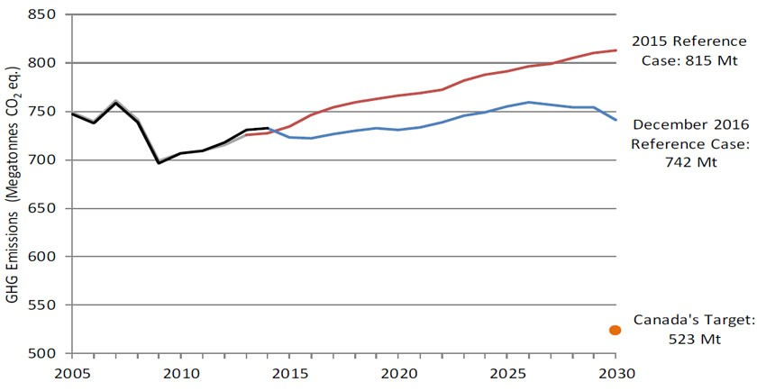

The value in 2014, the last historical value, is 732 MMT.

Growth is roughly linear through 2030, when it reaches 815 MMT.
We choose to do a simple linear extrapolation from 2014 through 2050, which may reflect a BAU
future in which Canada undertakes no new policies or mitigation options not already on the books
as of the 2015 reference case date.

Year | Emissions
2014 | 732
2030 | 815

